Black Scholes Model
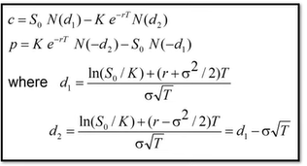

 | Inputs |  |  | Possibilities |  | (use these inputs to play around to get intuition)
Underlying Price | S | 45.00 |  | 40 | 45 | 50 | 55 | 60 | 65
Strike | K | 35.00 |  | 30 | 35 | 40 | 45 | 50 | 55
Time to Expiration | T | 0.50 |  | 0.5 | 1 | 2 | 3 | 4 | 5
Risk Free Rate | r | 0.05 |  | 0.05 | 0.06 | 0.07 | 0.08 | 0.09 | 0.1
Volatilty | x | 1.20 |  | 0.2 | 0.4 | 0.6 | 0.8 | 1 | 1.2

(How is volatility calculated) |  | Best assumption is Standard Deviation of the Stock Price

Options Price
Call | c | 19.073457035
Put | p | 8.2093039564

 | d1 | 0.74990374534 | (what is d1 and d2?) |  | Watch youtube to get explanation
 | d2 | -0.098624392083

Inverse CDF
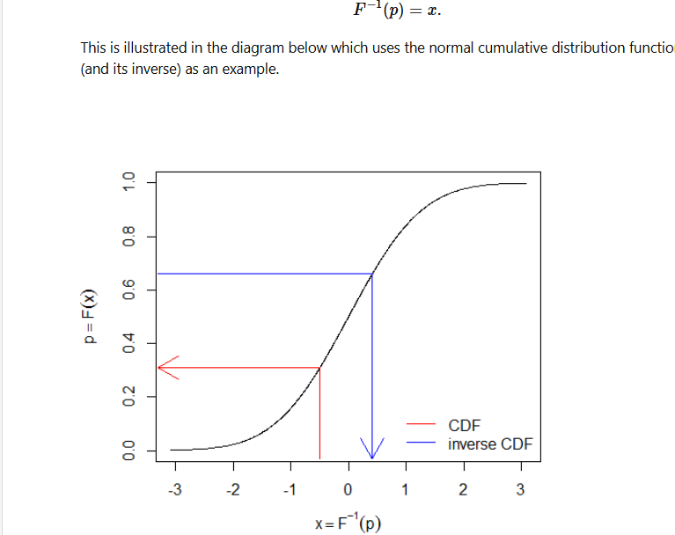
 | Basel Risk Weight Function

 | Inverse CDF
 | CDF

Inverse CDF | 2.326347874 |  | 5
Mean 0
Variance 1

 | -1.644853627

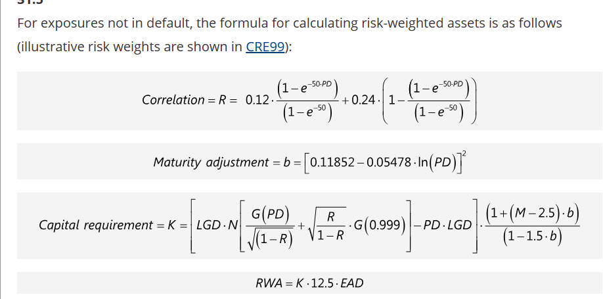
 | Client | Petronas
 | PD | 0.015
 | Petronas' K

 | Correlation | 0.17668398633

 | That e thingy | 0.52763344726
 | The 2nd part of e thingy | 0.47236655274
 | Effective Maturity
 | Maturity Adjustment | 0.12150790776
 | ln(PD) | -4.1997050779

 | LGD | 0.5

 | Capital K formula
 | Left Side

 | Expected Losses | 150,000
 | PD * LGD | 0.0075
 | EAD | 20,000,000

 | LEFT Side of Capital Requirement

 | Inside | -2.1700903776

Sheet5
Inde | Dependent Variable
x | y
0 | 0
1 | 3
5 | 15
3 | 9
5 | 15
3 | 9
5 | 15
7 | 21
8 | 24
9 | 27
10 | 30
11 | 33
12 | 36
13 | 39
14 | 42
15 | 45

PMF | 39.894% | 0.000% | 0.000% | 0.000% | 0.000% | 0.000% | 0.000% | 0.000% | 0.000%
NORM.DIS | 0.003% | 0.135% | 2.275% | 15.866% | 50.000% | 84.134% | 97.725% | 99.865% | 99.997%
Number | 1 | 2 | 3 | 4 | 5 | 6 | 7 | 8 | 9

Mean | 5
Variance | 1

